Sheet1
t | Mutliplier | dy/dt | Analytical | Numerical
0 | 2 | 0 | 0 | 0
0.25 | 2 | 0.5
0.5 | 2 | 1
0.75 | 2 | 1.5
1 | 2 | 2
1.25 | 2 | 2.5
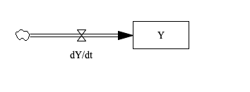
1.5 | 2 | 3
1.75 | 2 | 3.5
2 | 2 | 4
2.25 | 2 | 4.5
2.5 | 2 | 5
2.75 | 2 | 5.5
3 | 2 | 6
3.25 | 2 | 6.5
3.5 | 2 | 7
3.75 | 2 | 7.5
4 | 2 | 8
4.25 | 2 | 8.5
4.5 | 2 | 9
4.75 | 2 | 9.5
5 | 2 | 10
5.25 | 2 | 10.5
5.5 | 2 | 11
5.75 | 2 | 11.5
6 | 2 | 12
6.25 | 2 | 12.5
6.5 | 2 | 13
6.75 | 2 | 13.5
7 | 2 | 14
7.25 | 2 | 14.5
7.5 | 2 | 15
7.75 | 2 | 15.5
8 | 2 | 16
8.25 | 2 | 16.5
8.5 | 2 | 17
8.75 | 2 | 17.5
9 | 2 | 18
9.25 | 2 | 18.5
9.5 | 2 | 19
9.75 | 2 | 19.5
10 | 2 | 20

